Visit and Survey Report
 |  |  | Customer Visit Report |  |  |  |  |  |  |  |  |  |  |  |  |  |  | MM-IN-RD-9100-P06-04
 |  |  |  |  |  |  |  |  |  |  |  |  |  |  |  |  |  | Rev: 1

Customer: |  |  |  | ASJ SENAI |  |  |  |  |  |  | Date: |  |  |  | 7-Sep-15 | Time: | 11:30:00
Participant From Maruwa |  |  |  |  |  | Participant From Organizer |  |  |  |  | Report To
 | 1. | Sivakumar |  |  | QA |  | 1. | Ms Sun |  | Purchase Mgr |  | 1. | Mr.Anthony,Mr.Ogawa,Mr.Sukenari
 | 2. | Mr Rosli |  |  | Sales |  | 2. | Mr Ang |  | QA Mgr |  | 2. | Mr.Seeni,Mr.Naga,Mr.Sinna
 | 3. | Mr Matsumoto |  |  | Sales |  | 3. |  |  |  |  | 3. | Mr.Theva,Mr.Shahrudin,Mr.Fauzi
 | 4 |  |  |  |  |  | 4 |  |  |  |  | 4 | Mr. Sukenari, Mr. Matsumoto
 | 5. |  |  |  |  |  | 5. |  |  |  |  | 5.
Customer Satisfaction Questionaire
Sales & Service (1-5 Points) |  |  |  |  |  | Production Service (1-5 Points) |  |  |  |  | Quality Service (1-5 Points)

 |  | on-time response to inquiry |  |  |  |  |  |  | comply to CRD (date and qty) |  |  |  |  | good product quality
 |  | good communication frequency |  |  |  |  |  |  | early info of recovery schedule |  |  |  |  | on-time inspection report
 |  | early and sufficient information |  |  |  |  |  |  | sufficient quantity supply |  |  |  |  | quick response to quality claim
 |  | on-time invoice & packing list |  |  |  |  |  |  | packaging to protect damage |  |  |  |  | on-ime 8D report reply
 |  | Total |  |  |  |  |  |  | Total |  |  |  |  | Total

Customer Visit Agenda
RID & CSID |  |  |  |  |  | Center Of Excellence |  |  |  |  | QAID

 | 1. | Cust. new project or product |  |  |  |  | 1. | 3 months order forecast |  |  |  | 1. | Quality issues & 8D report
 | 2. | Customer satisfaction level |  |  |  |  | 2. | Re-covery delivery schedule |  |  |  | 2. | New Quality issues
 | 3. | Maruwa share % & price |  |  |  |  | 3. | Cust. capacity & actual usage |  |  |  | 3. | Customer production yield
 | 4. |  |  |  |  |  | 4. | Del. Schedule & balance order |  |  |  | 4. | Competitors quality status
 | 5. |  |  |  |  |  | 5. | Others rank proposal |  |  |  | 5.

Agenda |  |  |  |  |  |  |  |  |  |  |  |  |  |  | Follow-Up
Meeting started at 11:00AM |  |  |  |  |  |  |  |  |  |  |  |  |  |  | 1. Master Rank 0402
1. Mr Ang from QA reverify the measurement of the 3rd slit measurement for 7910M |  |  |  |  |  |  |  |  |  |  |  |  |  |  | Rank21, 31, 41,51,61,71&81
Explaination |  |  |  |  |  |  |  |  |  |  |  |  |  |  | PIC; Ms Salwa
a. The tolerence for this measurement is 2.88 + 0.05 and upon confirming the product, |  |  |  |  |  |  |  |  |  |  |  |  |  |  | Date: TBA
measurement is within the spec
b. Explain to them that this is a variable which need to be calculated base from |  |  |  |  |  |  |  |  |  |  |  |  |  |  | 2. ASJ will provide 7910M
dimension and can't be referred diectly from drawing |  |  |  |  |  |  |  |  |  |  |  |  |  |  | sample to Maruwa to reconfirm
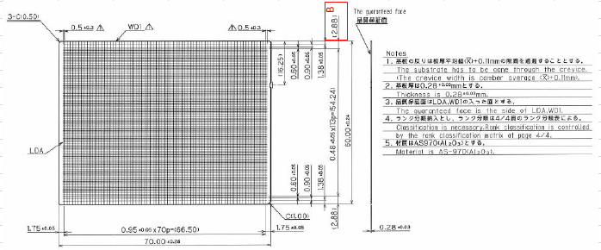
 |  |  |  |  |  |  |  |  |  |  |  |  |  |  | the measurement
 |  |  |  |  |  |  |  |  |  |  |  |  |  |  | ASJ: Mr Penny
 |  |  |  |  |  |  |  |  |  |  |  |  |  |  | MW : Ms Salwa

2. Feedback for 7910M breakage abnormal requested to change the alignment spec
from + 30 => + 20micron.
This actually isn't a big problem for ASJ but requested by their end customer since the
shape is not rectangle
Explaination
Changing of the alignment spec might give other impact to product eg: crack etc.
Since it's not effecting the quality of the product, requested to remain t\with the spec
and this proposal agreed by customer
Maruwa => currently Maruwa internal spec controls at + 15micron (Mould Maintenance)

3. General
Overall satify with Maruwa's product and buyoff method is
Every Lot & Every rank
Sampling size => 125pcs => ASJ carry out for 200pcs
Overall => Aug'15 incoming 100% accepted

Meeting Adjourned at 12:30pm
Conclusion & Opinion
Requested Maruwa to amintain the quality level and currently Maruwa holding about 65% share in ASJ.

